Sheet1
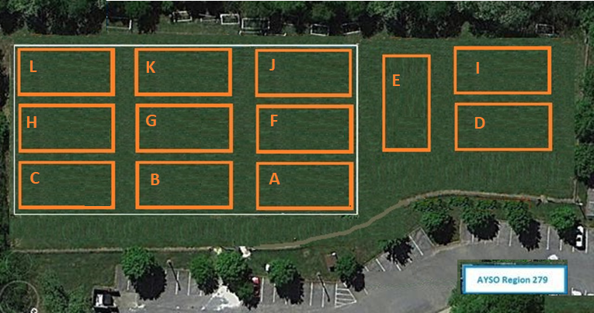

 | Deane Hill Training Schedule (last update: 9/2)

 | MONDAY |  | TUESDAY |  | WEDNESDAY |  | THURSDAY |  | FRIDAY
A |  | A |  | A |  | A |  | A
B |  | B |  | B |  | B |  | B
C |  | C |  | C | HOLLADAY | C |  | C
D |  | D |  | D | MASER | D | HEMPHILL | D
E |  | E |  | E |  | E |  | E
F |  | F |  | F |  | F |  | F
G |  | G |  | G |  | G |  | G
H |  | H |  | H |  | H |  | H
I |  | I |  | I |  | I |  | I
J |  | J |  | J |  | J | WILLIAMSON | J
K |  | K |  | K |  | K |  | K
L |  | L |  | L |  | L |  | L

 |  | Remember to call the hotline to see if fields are closed (865) 450-9499 If there are any changes/corrections needed please email me. chuck

